1. Title Page
Instacart Basket Analysis

Project Name: Instacart Basket Analysis
Date: 04/12/2021
Analyst Name: Odette Tartak

Contents:
Population Flow
Consistency checks
Wrangling steps
Column derivations
Visualisations
Recommendations

Project objective
Instacart already has very good sales, but they want to uncover more information about their sales patterns. Perform an initial data and exploratory
analysis of some of their data in order to derive insights and suggest strategies for better segmentation based on the provided criteria.

Context
The Instacart stakeholders are most interested in the variety of customers in their database along with their purchasing behaviors. They assume they can't target everyone using the same methods, and they’re considering a targeted marketing strategy. They want to target different customers with applicable marketing campaigns to see whether they have an effect on the sale of their products. Your analysis will inform what this strategy might look like to ensure Instacart targets the right customer profiles with the appropriate products.

Data citation
“The Instacart Online Grocery Shopping Dataset 2017”, Accessed from https://www.instacart.com/datasets/grocery-shopping-2017 on 25th October 2021

Note regarding fabricated data
Some data, including all customer information and the 'prices' column in the products data set, were fabricated for educational purposes.

2. Population Flow
 | Title page

Population flow

Exclusion flag
Condition: max_order < 5
Obervations to be removed: 1,440,295
Final total count of order_products_all: 30,964,564

Orders_products_merged
Orders_products_all

Total: 32,404,859
Total: 32,434,489
Total: 32,404,859

*NB: total refers to the total rows in each dataframe

3. Consistency checks
 |  |  |  | Title page
Consistency checks

Dataset | Missing values | Missing values treatment | Duplicates
orders | 206,209 missing days_since_last_order values | Imputed the missing values with '0', as the values weren't missing, but indicated that there was no prior order | N/A
products | 16 missing values in product name column | Created missing values subset; created new products dataframe excluding these missing values | 5 full duplicates found; created new product dataframe excluding these duplicates
orders_products_prior | N/A | N/A | N/A
customers | N/A | N/A | N/A
orders_products_merged | prices over $100 | Changed to NaN as they don't make sense in relation to all other prices (max price now $25)

4. Wrangling steps
 |  |  |  |  | Title page
Wrangling steps

Data set | Columns dropped | Columns renamed | Columns type changed | Comment/Reason
orders | eval_set |  |  | Column not needed for analysis
orders |  | orders_dow changed to orders_day_of_week |  | Changed to more intuitive name
orders |  | days_since_prior_order changed to days_since_last_order |  | Changed to more intuitive name
orders |  |  | user_id | Changed to string as no calculations are required
orders |  |  | order_id | Changed to string as no calculations are required
orders_products_combined | _merge |  |  | No longer necessary after merge confirmation
customers | First name |  |  | Personally identifiable information need to be dropped as part of data security
customers | Surnam |  |  | Personally identifiable information need to be dropped as part of data security
customers |  | Gender to gender |  | Changed to be consistent with existing column names
customers |  | STATE to state |  | Changed to be consistent with existing column names
customers |  | Age to age |  | Changed to be consistent with existing column names
customers |  |  | user_id | Changed to category as no calculations are required & to reduce memory load on dataframe
customers |  |  | date_joined | Changed to datetime64 as it's a date field
orders_products_merged | Unnamed: 0 |  |  | Column not needed for analysis
orders_products_merged |  |  | days_since_last_order, orders_day_of_week, order_number, order_hour_of_day & max_order | Changed to int8 to reduce memory load on dataframe
orders_products_merged |  |  | user_id, product_id, aisle_id, department_id & order_id | Changed to category as no calculations are required & to reduce memory load on dataframe
orders_products_merged |  |  | median_order_days, prices & average_spend | Changed to float16 to reduce memory load on dataframe
orders_products_merged |  |  | price_range_loc, loyalty_flag, order_frequency, busiest_days & busiest_period_of_day | Changed to category to reduce memory load on dataframe
orders_products_merged |  |  | add_to_cart_order | Changed to int16 to reduce memory load on dataframe
orders_products_merged |  |  | reordered | Changed to boolean to reflect actual column type
orders_products_all |  |  | region & exclusion_flag | Changed to category to reduce memory load on dataframe

5. Column derivations
 |  |  |  | Title page

Column derivations and aggregations

Dataset | New column | Column/s it was derived from | Conditions
orders_products_merge | price_range_loc | prices | If price under 5 = 'low-range product', if between 5 and 15 = 'mid-range product, if over 15 = 'high-range product
orders_products_merge | busiest_days | orders_day_of_week | If day of week is 0 & 1 = 'busiest days, if day of week is 3 & 4 = 'least busy', everything else = 'regularly busy'
orders_products_merge | busiest_period_of_day | order_hour_of_day | If hours between 9-17 = 'most orders', if hours are 7 & 8 & between 18-23 = 'average orders', if between 0-6 = 'fewest orders'
orders_products_merge | loyalty_flag | max_order | If max order over 40 = 'loyal customer', if max order between 10 & 40 = 'regular customer', if max order under 10 = 'new customer'
orders_products_merge | spending_type | prices & average spend | If average spend equals to or is greater than 10 = 'high spender', if under 10 = 'low spender'
orders_products_merge | order_frequency | median_order_days & days_since_last_order | If median order days above 20 = 'non-frequent customer', if median order days between 10 & 20 = 'regular customer', if 10 or less = 'frequent customer'
orders_products_all | region | state | Each state categorised within a particular region based on: 'South', 'West', 'Midwest', 'Northeast'
orders_products_all | exclusion_flag | max_order | If max order under 5 = 'low-activity customer', if max order is 5 or greater = 'frequent customer'
orders_products_all | age_range | age | If age 19 and under = '<19', if age between 20-29 = '20-29', if between 30-39 = '30-39, if between 40-49 = '40-49', if between 50-59 = '50-59', if between 60-69 = '60-69', if between 70-79 = '70-79, if 80 and over = '80+'
orders_products_all | income_bracket | income | If income 99999 or under = '<100000', if income over 99999 and upto 199999 = '100000-199999', if over 199999 and upto 299999 = '200000-299999', if over 299999 and upto 399999 = '300000-399999', if over 399999 and upto 499999 = '400000-499999', if 500000 or over = '>500000'
orders_products_all | parental_status | n_dependants | If has 1 or more n_dependants = 'parent', if n_dependants is 0 = 'non-parent'
orders_products_all | customer_profile | age, age_range, income, income_bracket, department_id, parental_status | High earner' = age: 40-59, income: 400000+, department_id: 1, 4, 7, 19, 16, parental_status: Parent; 'Young single adult' = age: <39, income: <=199999, department_id: 1, 4, 7, 19, parental_status: Non-parent; 'Young parent' = age: 20-39, income: <=199999, department_id: 4, 13, 16, 17, 18 parental_status: Parent; 'Over 60' = age: 60+, income: <=199999, department_id: 1, 4, 11, 12, 15, 20 parental_status: Parent

6. Visualisations
 |  |  |  |  |  |  |  |  |  | Title page

Visualisations

1. The sales team needs to know what the busiest days of the week and hours of the day are (i.e., the
days and times with the most orders) in order to schedule ads at times when there are fewer orders.

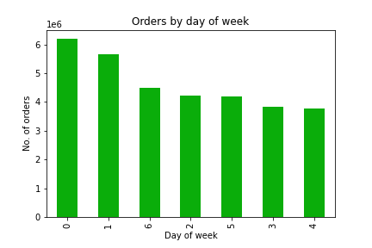
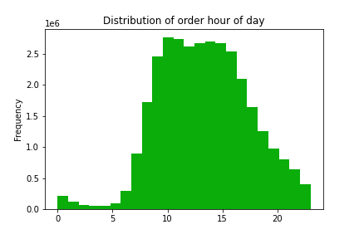

 |  |  |  |  | Legend
 |  |  |  |  | 0 = Saturday
 |  |  |  |  | 1 = Sunday
 |  |  |  |  | 2 = Monday
 |  |  |  |  | 3 = Tuesday
 |  |  |  |  | 4 = Wednesday
 |  |  |  |  | 5 = Thursday
 |  |  |  |  | 6 = Friday

Figure 1 |  |  |  |  |  |  | Figure 2

As figure 1 demonstrates, most orders are placed on the weekend, with the
highest amount of orders placed on Saturday's. This is intuitive seeing as most people
do not work on weekends, and therefore have more time.

Figure 2 shows that 10am is the busiest hour of the day, closely followed by 11am. The
histogram is slightly right skewed, demonstrating that most orders are made between
8am & 6 pm.

2. They also want to know whether there are particular times of the day when people spend the
most money, as this might inform the type of products they advertise at these times.

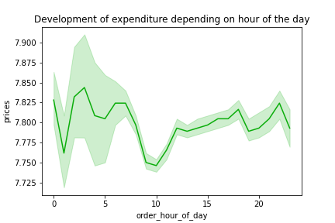

Figure 3

Figure 3 shows that people spend the least amount of money at 10 & 11am, which
correspond to the busiest hours of the day according to figure 2. Customers spend
the most money between 2 & 7am, which is outside the time that customers make the
most orders, as shown in figure 2. Expenditure increases again in the late afternoon and
evening.

3. Instacart has a lot of products with different price tags. Marketing and sales want to use
simpler price range groupings to help direct their efforts.

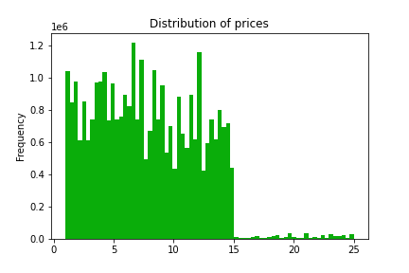
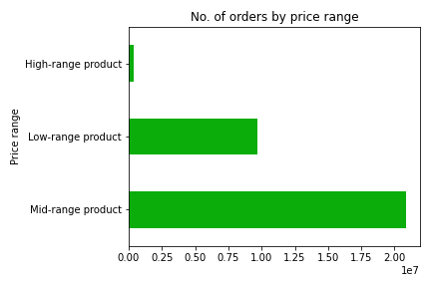

Figure 4 |  |  |  |  |  | Figure 5

As figure 4 shows, most products bought are priced between $1 and $15. Figure 5
demonstrates that products in the mid-range bracket ($10-15) are ordered more
frequently, and more than twice as likely as the low-range products (under $5).
As expected, high range products (over $15) are the least ordered products.

4. Are there certain types of products that are more popular than others? (Which departments
have the highest frequency of product orders?)
 |  |  |  |  | Legend
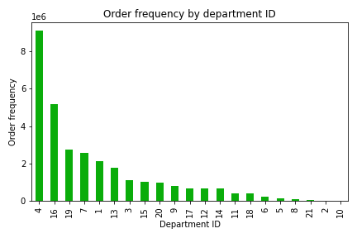
 |  |  |  |  | Dept ID | Dept
 |  |  |  |  | 1 | frozen
 |  |  |  |  | 2 | other
 |  |  |  |  | 3 | bakery
 |  |  |  |  | 4 | produce
 |  |  |  |  | 5 | alcohol
 |  |  |  |  | 6 | international
 |  |  |  |  | 7 | beverages
 |  |  |  |  | 8 | pets
 |  |  |  |  | 9 | dry goods pasta
 |  |  |  |  | 10 | bulk
 |  |  |  |  | 11 | personal care
 |  |  |  |  | 12 | meat seafood
 |  |  |  |  | 13 | pantry
 |  |  |  |  | 14 | breakfast
 |  |  |  |  | 15 | canned goods
 |  |  |  |  | 16 | dairy eggs
Figure 6 |  |  |  |  | 17 | household
 |  |  |  |  | 18 | babies
Figure 6 shows that produce is the most popular department at Instacart by a large |  |  |  |  | 19 | snacks
margin. Dairy/eggs is the next most popular product, followed by snacks, beverages |  |  |  |  | 20 | deli
and frozen products. Bulk and other products were the least popular. |  |  |  |  | 21 | missing

The marketing and sales teams are particularly interested in the different types of customers
in their system and how their ordering behaviors differ. For example:

5a. What’s the distribution among users in regards to their brand loyalty (i.e., how
often do they return to Instacart)?

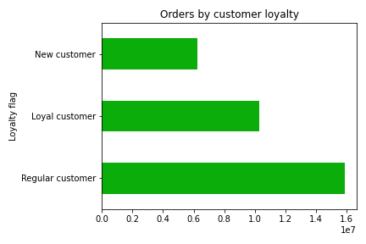

Figure 7

Figure 7 shows that regular customers by far order more from Instacart than either
loyal or new customers.

5b. Are there differences in ordering habits based on a customer’s loyalty status?

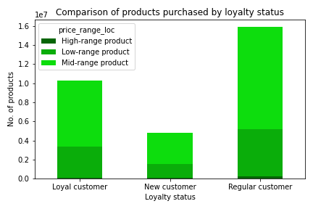
 |  |  |  |  |  | Proportional comparison of products purchased by loyalty status
 |  |  |  |  |  | Loyalty Flag | High-range product | Low-range product | Mid-range product
 |  |  |  |  |  | Loyal customer | 1.17% | 31.26% | 67.57%
 |  |  |  |  |  | New customer | 1.37% | 31.25% | 67.37%
 |  |  |  |  |  | Regular customer | 1.34% | 31.23% | 67.43%
 |  |  |  |  |  | Figure 9

Figure 8

Although figure 8 shows that regular customers purchase more products in each price range than
any other loyalty group, it is due to the larger amout of customers within the regular customer
group. As figure 9 shows, proportionately all customer groups purchase similar amount of products
across each price range, demonstrating no discernable difference.

5c. Are there differences in ordering habits based on a customer’s region?

Ordering habits by region
Region | Loyal customer | New customer | Regular customer
Midwest | 2373774.00 | 1472573 | 3750978
Northeast | 1841785.00 | 1100207 | 2780744
South | 3405844.00 | 2074410 | 5311631
West | 2662690.00 | 1596800 | 4033423
Figure 10

There is a difference in spending habits between the regions. Figure 10 shows that the 'South' region
is the most populous and also accounts for the most high and low spenders. However, the 'Midwest'
has the highest proportion of its population being high spenders at 2.05%, followed by 'South'
with 1.94%, 'West' with 1.93%, and 'Northeast' with 1.89%.

5d. Is there a connection between age and family status in terms of ordering habits?
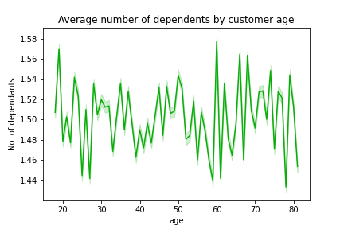
 |  |  |  |  |  | Ordering habits by family status
 |  |  |  |  |  | Family status | Loyal customer | New customer | Regular customer
 |  |  |  |  |  | divorced/widowed | 882722 | 403781 | 1358768
 |  |  |  |  |  | living with parents and siblings | 492749 | 221779 | 766644
 |  |  |  |  |  | married | 7202500 | 3380651 | 11160560
 |  |  |  |  |  | single | 1706122 | 797484 | 2590804
 |  |  |  |  |  | Figure 12

Figure 11

Figure 11 shows that the average age of shoppers is 49.5 with an average number of
dependents by age to be 1.5 dependents. As figure 12 demonstrates, married
customers (with kids) account for the most orders in each loyalty category. Of most
importance, married customers are the most loyal and regular customers. However,
of note is that every category of family status proportioinally has a similar distribution
across the loyalty categories i.e. ~33% of each family status are loyal customers, ~15%
are new customers, and ~51% are regular customers.

5e. What different classifications does the demographic information suggest? Age? Income?
Certain types of goods? Family status?
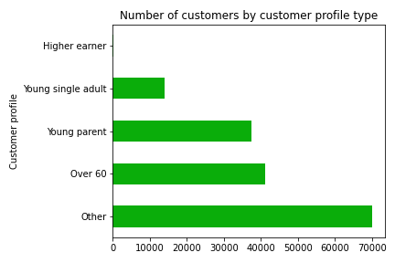
Demographic breakdown for each profile
Customer profile | Age | Income | Department ID | Parental status
Young parent | 20-39 | $199999 or less | 4, 13, 16, 17, 18 | Parent
Young single adult | 39 or younger | $199999 or less | 1, 4, 7, 19 | Non-parent
Over 60 | 60 or older | $199999 or less | 1, 4, 11, 12, 15, 20 | Parent
Higher earner | 40-59 | $400000 or more | 1, 4, 7, 19, 16 | Parent
Figure 13

The demographic information in figure 13 suggests a few differences between customers,
which allowed the customers to be segmented as per the table above. The customer profiles
show the most differentiation in the age variable. However, there are similarities in the
income (<$199999), department ID's (1 & 4), and parental status (Parent) variables.

As demonstrated in figure 14, any customers that were not categorised into one of
these four variables was categorised as 'Other'. Further analysis may uncover more
customer profiles, however, due to time constraints, this analysis only focused on the
four profiles in the above table.
 |  |  |  |  |  |  | Figure 14

5f. What differences can you find in ordering habits of different customer profiles? Consider
the price of orders, the frequency of orders, the products customers are ordering, and anything
else you can think of.

Price of orders by customer profile |  |  |  |  |  | Frequency of orders by customer profile
Customer profile | Average | Minimum | Maximum |  |  | Customer profile | Average | Minimum | Maximum
Young parent | 10.21 | 0 | 30 |  |  | Young parent | 7.79 | 1 | 25
Young single adult | 10.30 | 0 | 30 |  |  | Young single adult | 7.78 | 1 | 25
Over 60 | 10.24 | 0 | 30 |  |  | Over 60 | 7.80 | 1 | 25
Higher earner | 9.82 | 0 | 30 |  |  | Higher earner | 7.77 | 1 | 25
Other | 10.23 | 0 | 30 |  |  | Other | 7.79 | 1 | 25
Figure 15 |  |  |  |  |  | Figure 16

No. of products bought by region per customer profile |  |  |  |  |  | Proportion of products bought by customer profile
Customer profile | Midwest | Northeast | South | West |  | Customer Profile | High-range product | Low-range product | Mid-range product
Young parent | 1690357 | 1266438 | 2437986 | 1830793 |  | Young parent | 1.27% | 31.25% | 67.48%
Young single adult | 610052 | 467243 | 903135 | 667762 |  | Young single adult | 1.24% | 31.36% | 67.41%
Over 60 | 1809596 | 1389625 | 2609076 | 2015804 |  | Over 60 | 1.29% | 31.20% | 67.51%
Higher earner | 5704 | 890 | 3598 | 5953 |  | Higher earner | 2.56% | 31.33% | 66.11%
Other | 3145804 | 2340489 | 4357344 | 3406915 |  | Other | 1.30% | 31.24% | 67.46%
Total | 7261513 | 5464685 | 10311139 | 7927227 |  | Figure 18
Figure 17

Proportion of spend across customer profiles
Customer Profile | High spender | Low spender
Young parent | 1.65% | 98.35%
Young single adult | 1.24% | 98.76%
Over 60 | 0.90% | 99.10%
Higher earner | 100% | 0%
Other | 2.75% | 97.25%
Figure 19

Figure 15 highlights that there isn't much difference between the average price of orders
between the customer profiles, other than high earners have the lowest average. High earners
also order least frequently across each of the customer profiles, as shown in figure 16.

Figure 17 clearly shows that most products are bought in the South region, however, it must be
noted that there is an unequal number of states, and therefore population, in each region. Of the 4
customer profiles created, more products were bought by customers over 60, then young parents,
followed by young single adults and high earners in each region.

Figure 18 demonstrates that high earners proportionately buy more high-range products and
fewer mid-range products then any other customer profile. However, there is no major difference
between the proportions spent in each of the other price ranges by each of the customer profiles.

The most notable aspect of figure 19 is that 100% of high earners are in the high spender category,
whereas at least 98% of each of the other 3 customer profiles are proportionately low spenders.

7. Recommendations
 |  |  |  |  |  |  |  |  |  | Title page
Recommendations
Recommendations

1. The sales team needs to know what the busiest days of the week and hours of the day are (i.e., the
days and times with the most orders) in order to schedule ads at times when there are fewer orders.

 |  |  |  |  | Legend
 |  |  |  |  | 0 = Saturday
 |  |  |  |  | 1 = Sunday
 |  |  |  |  | 2 = Monday
 |  |  |  |  | 3 = Tuesday
 |  |  |  |  | 4 = Wednesday
 |  |  |  |  | 5 = Thursday
 |  |  |  |  | 6 = Friday

Figure 1 |  |  |  |  |  |  | Figure 2

As figure 1 demonstrates, most orders are placed on the weekend, with the
highest amount of orders placed on Saturday's. This is intuitive seeing as most people
do not work on weekends, and therefore have more time.

Figure 2 shows that 10am is the busiest hour of the day, closely followed by 11am. The
histogram is slightly right skewed, demonstrating that most orders are made between
8am & 6 pm.

Recommendations
As fewer orders are made on weekdays after 6pm, Instacart could increase orders
at these times by creating ads that target dinner time. This could be done by creating
ads that provide dinner inspiration with an ingredients list that can be automatically
added to a shoppers cart if selected. Alternatively, Instacart could source ready made
hot dinners that can be tailored to either singles, couples or families. Ads can be pushed
after 6pm that highlight the ease of having dinner sorted after a day at work.

2. They also want to know whether there are particular times of the day when people spend the
most money, as this might inform the type of products they advertise at these times.

Figure 3

Figure 3 shows that people spend the least amount of money at 10 & 11am, which
correspond to the busiest hours of the day according to figure 2. Customers spend
the most money between 2 & 7am, which is outside the time that customers make the
most orders, as shown in figure 2. Expenditure increases again in the late afternoon and
evening.

Recommendations
As the most amount of money is spent before work, Instacart can create ads for lunch,
snacks and beverages to keep workers fueled throughout the work day. Also, Instacart
can aim to increase expenditure at around 10am by pushing ads that promote snacks
that help workers get through 3.30itis (the afternoon energy slump).

3. Instacart has a lot of products with different price tags. Marketing and sales want to use
simpler price range groupings to help direct their efforts.

Figure 4 |  |  |  |  |  | Figure 5

As figure 4 shows, most products bought are priced between $1 and $15. Figure 5
demonstrates that products in the mid-range bracket ($10-15) are ordered more
frequently, and more than twice as likely as the low-range products (under $5).
As expected, high range products (over $15) are the least ordered products.

Recommendations
As high-range products are ordered the least, Instacart should do further analysis to
identify what products a customers typically buy, then create ads that promote similar
or complementary high-range products. This might increase the number of high-range
products bought and also bring up the average expenditure per customer.

4. Are there certain types of products that are more popular than others? (Which departments
have the highest frequency of product orders?)
 |  |  |  |  | Legend
 |  |  |  |  | Dept ID | Dept
 |  |  |  |  | 1 | frozen
 |  |  |  |  | 2 | other
 |  |  |  |  | 3 | bakery
 |  |  |  |  | 4 | produce
 |  |  |  |  | 5 | alcohol
 |  |  |  |  | 6 | international
 |  |  |  |  | 7 | beverages
 |  |  |  |  | 8 | pets
 |  |  |  |  | 9 | dry goods pasta
 |  |  |  |  | 10 | bulk
 |  |  |  |  | 11 | personal care
 |  |  |  |  | 12 | meat seafood
 |  |  |  |  | 13 | pantry
 |  |  |  |  | 14 | breakfast
 |  |  |  |  | 15 | canned goods
 |  |  |  |  | 16 | dairy eggs
Figure 6 |  |  |  |  | 17 | household
 |  |  |  |  | 18 | babies
Figure 6 shows that produce is the most popular department at Instacart by a large |  |  |  |  | 19 | snacks
margin. Dairy/eggs is the next most popular product, followed by snacks, beverages |  |  |  |  | 20 | deli
and frozen products. Bulk and other products were the least popular. |  |  |  |  | 21 | missing

Recommendations
Instacart can try to increase sales in the bulk department by creating ads that are
tailored to families that may highlight any savings they would receive by buying bulk.
Instacart should also identify the most popular products within the top 3 departments
and send ads to people who don't already buy them. By highlighting their popularity,
customers may be socially influenced into also buying them.

The marketing and sales teams are particularly interested in the different types of customers
in their system and how their ordering behaviors differ. For example:

5a. What’s the distribution among users in regards to their brand loyalty (i.e., how
often do they return to Instacart)?

Figure 7

Figure 7 shows that regular customers by far order more from Instacart than either
loyal or new customers.

Recommendations
Instacart should reward loyal customers by creating discounts or specials only
for loyal customers. This may increase brand advocacy as well as average spend per
loyal customer. New customers can be encouraged to order more through coupons.
If the cupons are personalised based on previous product purchase, it may increase
their spend and also turn them into regular customers sooner.

5b. Are there differences in ordering habits based on a customer’s loyalty status?

 |  |  |  |  |  | Proportional comparison of products purchased by loyalty status
 |  |  |  |  |  | Loyalty Flag | High-range product | Low-range product | Mid-range product
 |  |  |  |  |  | Loyal customer | 1.17% | 31.26% | 67.57%
 |  |  |  |  |  | New customer | 1.37% | 31.25% | 67.37%
 |  |  |  |  |  | Regular customer | 1.34% | 31.23% | 67.43%
 |  |  |  |  |  | Figure 9

Figure 8

Although figure 8 shows that regular customers purchase more products in each price range than
any other loyalty group, it is due to the larger amout of customers within the regular customer
group. As figure 9 shows, proportionately all customer groups purchase similar amounts of products
across each price range, demonstrating no discernable difference.

Recommendations
As there are no significant differences in ordering habits between the different loyalty
groups, ads should be promoting equal amounts of high, mid and low range products to each group.
Alternatively, to increase expenditure in each loyalty group, more mid and high-range products should
be promoted across each group, taking into consideration personalisation at the customer level.

5c. Are there differences in ordering habits based on a customer’s region?

Ordering habits by region
Region | Loyal customer | New customer | Regular customer
Midwest | 2373774.00 | 1472573 | 3750978
Northeast | 1841785.00 | 1100207 | 2780744
South | 3405844.00 | 2074410 | 5311631
West | 2662690.00 | 1596800 | 4033423
Figure 10

There is a difference in spending habits between the regions. Figure 10 shows that the 'South' region
is the most populous and also accounts for the most high and low spenders. However, the 'Midwest'
has the highest proportion of its population being high spenders at 2.05%, followed by 'South'
with 1.94%, 'West' with 1.93%, and 'Northeast' with 1.89%.

Recommendations
Although there are no significant differences in ordering habits between the regions, there are more
orders in the 'South' region due to the larger customer base there. As such, it can be hypothesised
that increasing the customer base in the remaining 3 regions will boost orders and overall profit
for Instacart. Therefore, the marketing team should create campaigns in those regions to increase
brand visibility and customer awareness.

5d. Is there a connection between age and family status in terms of ordering habits?

 |  |  |  |  |  | Ordering habits by family status
 |  |  |  |  |  | Family status | Loyal customer | New customer | Regular customer
 |  |  |  |  |  | divorced/widowed | 882722 | 403781 | 1358768
 |  |  |  |  |  | living with parents and siblings | 492749 | 221779 | 766644
 |  |  |  |  |  | married | 7202500 | 3380651 | 11160560
 |  |  |  |  |  | single | 1706122 | 797484 | 2590804
 |  |  |  |  |  | Figure 12

Figure 11

Figure 11 shows that the average age of shoppers is 49.5 with an average number of
dependents by age to be 1.5 dependents. As figure 12 demonstrates, married
customers (with kids) account for the most orders in each loyalty category. Of most
importance, married customers are the most loyal and regular customers. However,
of note is that every category of family status proportioinally has a similar distribution
across the loyalty categories i.e. ~33% of each family status are loyal customers, ~15%
are new customers, and ~51% are regular customers.

Recommendations
Based on the proportions, there are no significant differences between the family statuses.
However, as married customers account for the most orders across each loyalty status, and as it
is feasible that they would have the most everyday expenses, coupons could be created to lessen
their financial burden and also convert more regular customers into loyal customers.

5e. What different classifications does the demographic information suggest? Age? Income?
Certain types of goods? Family status?

Demographic breakdown for each profile
Customer profile | Age | Income | Department ID | Parental status
Young parent | 20-39 | $199999 or less | 4, 13, 16, 17, 18 | Parent
Young single adult | 39 or younger | $199999 or less | 1, 4, 7, 19 | Non-parent
Over 60 | 60 or older | $199999 or less | 1, 4, 11, 12, 15, 20 | Parent
Higher earner | 40-59 | $400000 or more | 1, 4, 7, 19, 16 | Parent
Figure 13

The demographic information in figure 13 suggests a few differences between customers,
which allowed the customers to be segmented in this way. The customer profiles show
the most differentiation in the age variable. However, there are similarities in the
income (<$199999), department ID's (1 & 4), and parental status (Parent) variables.

As demonstrated in figure 14, any customers that were not categorised into one of
these four variables was categorised as 'Other'. Further analysis may uncover more
customer profiles, however, due to time constraints, this analysis only focused on the
four profiles in figure 13.
 |  |  |  |  |  |  | Figure 14
Recommendations
The marketing and sales departments are advised to create personalised ads based on
the customer profiles identified. Personalisation will improve ad relevance and will increase
orders and expenditure.

5f. What differences can you find in ordering habits of different customer profiles? Consider
the price of orders, the frequency of orders, the products customers are ordering, and anything
else you can think of.

Price of orders by customer profile |  |  |  |  |  | Frequency of orders by customer profile
Customer profile | Average | Minimum | Maximum |  |  | Customer profile | Average | Minimum | Maximum
Young parent | 10.21 | 0 | 30 |  |  | Young parent | 7.79 | 1 | 25
Young single adult | 10.30 | 0 | 30 |  |  | Young single adult | 7.78 | 1 | 25
Over 60 | 10.24 | 0 | 30 |  |  | Over 60 | 7.80 | 1 | 25
Higher earner | 9.82 | 0 | 30 |  |  | Higher earner | 7.77 | 1 | 25
Other | 10.23 | 0 | 30 |  |  | Other | 7.79 | 1 | 25
Figure 15 |  |  |  |  |  | Figure 16

No. of products bought by region per customer profile |  |  |  |  |  | Proportion of products bought by customer profile
Customer profile | Midwest | Northeast | South | West |  | Customer Profile | High-range product | Low-range product | Mid-range product
Young parent | 1690357 | 1266438 | 2437986 | 1830793 |  | Young parent | 1.27% | 31.25% | 67.48%
Young single adult | 610052 | 467243 | 903135 | 667762 |  | Young single adult | 1.24% | 31.36% | 67.41%
Over 60 | 1809596 | 1389625 | 2609076 | 2015804 |  | Over 60 | 1.29% | 31.20% | 67.51%
Higher earner | 5704 | 890 | 3598 | 5953 |  | Higher earner | 2.56% | 31.33% | 66.11%
Other | 3145804 | 2340489 | 4357344 | 3406915 |  | Other | 1.30% | 31.24% | 67.46%
Total | 7261513 | 5464685 | 10311139 | 7927227 |  | Figure 18
Figure 17

Proportion of spend across customer profiles
Customer Profile | High spender | Low spender
Young parent | 1.65% | 98.35%
Young single adult | 1.24% | 98.76%
Over 60 | 0.90% | 99.10%
Higher earner | 100% | 0%
Other | 2.75% | 97.25%
Figure 19

Figure 15 highlights that there isn't much difference between the average price of orders
between the customer profiles, other than high earners have the lowest average. High earners
also order least frequently across each of the customer profiles, as shown in figure 16.

Figure 17 clearly shows that most products are bought in the South region, however, it must be
noted that there is an unequal number of states, and therefore population, in each region. Of the 4
customer profiles created, more products were bought by customers over 60, then young parents,
followed by young single adults and high earners in each region.

Figure 18 demonstrates that high earners proportionately buy more high-range products and
fewer mid-range products then any other customer profile. However, there is no major difference
between the proportions spent in each of the other price ranges by each of the customer profiles.

The most notable aspect of figure 19 is that 100% of high earners are in the high spender category,
whereas at least 98% of each of the other 3 customer profiles are proportionately low spenders.

Recommendations
High earners have the lowest average price of orders and order frequency, but are also 100% high
spenders. As such, Instacart should consider stocking more luxury and high end products to
appeal to the existing customers in this segment, as well as to try and grow this segment in each region.

More products were bought by over 60's in each region, and they are also the most likely to be low
spenders. Personalised ads, as well as ads showing 'products you may like based on previous
purchases' may increase the spend per customer over 60.

